Sheet1
Deed of lease for a shopping centre (turnover rental) | IMAGE | REMARKS
 |  | check xref for this SCHED.2
 |  | GST - term tag

 | 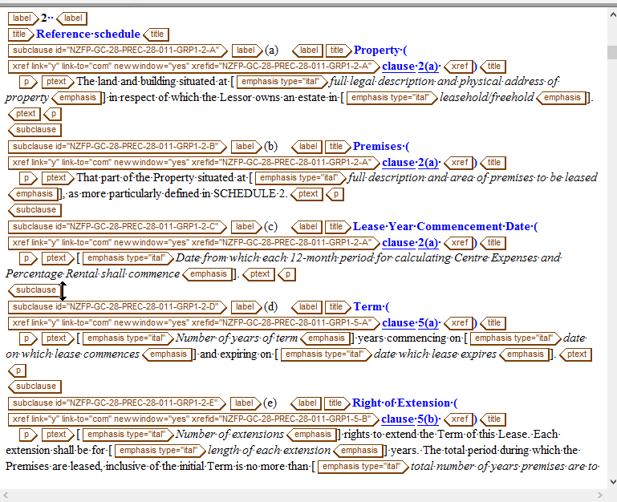 | omit xref in the title
 |  | omit exiting text in this xref

